Overview
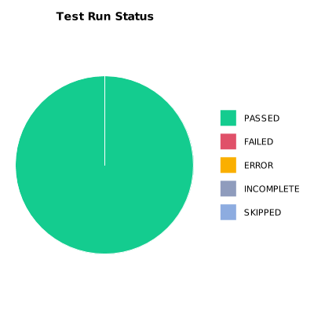
EXECUTION SUMMARY
Test Run ID | 1071
Status | PASSED
Organization | FIT@HCMUS
Team | First Team
Project | First Project
By | Tan Nguyen Phu
Start Time | 01/08/2024 17:52:23 +00:00
Duration | 0:00:48.521

TEST RESULTS
Total test results | 5
Passed | 5
Failed | 0
Error | 0
Incomplete | 0
Skipped | 0

